About
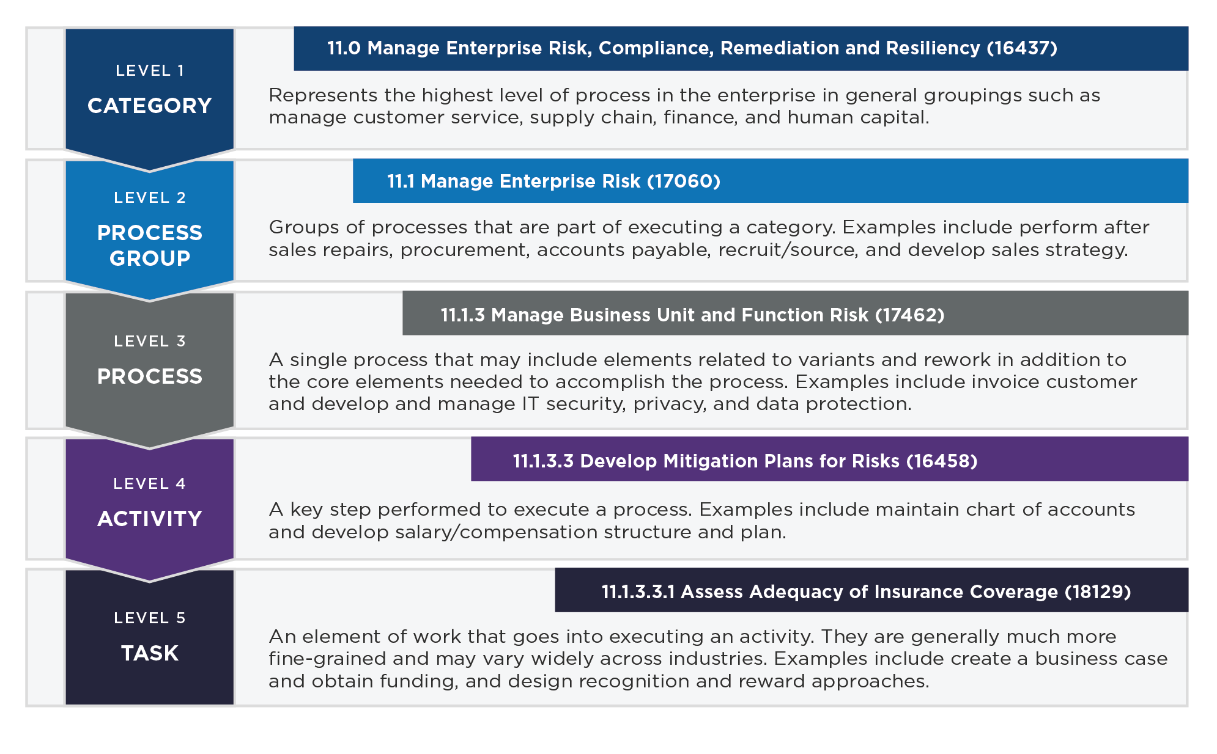
UNDERSTANDING THIS FILE This file represents a "flat" Excel-based version of the PCF. It includes a number of pages intended to communicate the various aspects of the framework necessary to interpret it and make full use of its intended capabilities. These pages illustrate the configuration of this file. If you have further questions, please contact APQC directly on pcf_feedback@apqc.org or +1-713-681-4020. PCF ID is the unique identifier assigned to the specific element on each row. The PCF ID is used throughout APQC's open standards benchmarking as a way to relate measures, questions, and other materials back to specific parts of the PCF. The PCF ID for a process element is aligned to the specific concept identified by the process element. It will be consistent across releases as long as the conceptual meaning does not change. Hierarchy ID is the human-readable index number corresponding to this specific process element on each row. This number will not be consistent across releases - meaning that a process element may have a different hierarchy ID among a set of releases. Difference index is a score identifying the volume of changes to this process element across releases. The score is only computed when a specific release is compared to another specific release. The difference index encapsulates the changes among all of the process element's descendents, not just the immediate children. The greater the number, the more significant the changes between the two releases. Change details is a sentence explaning the differences in the immediate child-level descendents of the specific process element. A "plus" symbol ("+") before a number indicates that the specific process element was added since the last release. A "minus" symbol ("-") before a number indicates that the specific process element was removed since the last release. If the process element was renamed, the sentence will include the phrase "RENAME, WAS:" followed by the name previously u

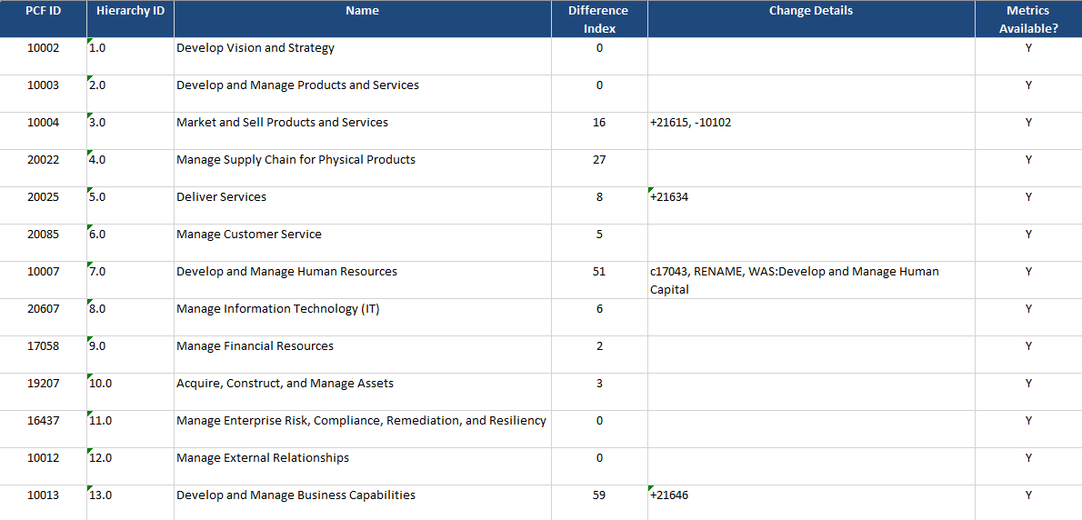

EXAMPLE In the above image, one can discern that a new process element "9.0 Manage Financial Resources" (17058) was added to the framework. This new element was added to the file. This new element contains a number of previously used elements, including a significant change to one of its immediate children, 10731, which was present in the previous release, but under a different parent. Also category 4 saw relatively few changes (difference index = 2) while category 7 saw the most changes (difference index = 43).

